Answers 1-7
The listing and sale price of Gulf View Condominium are more expensive on average. The No Gulf Condominium takes a greater number of days to sell than that of Gulf View Condominium. The prices of the Gulf Condominium have a wider range than that of the other condominiums which resulted in greater standard error and standard deviation of the mean. The Gulf View Condominium can sells for as high as $975000 or as low as $165,000 while the other no Golf View Condos go between 292500 and 135500. The skewness measures for the varables are moderately positively skewed. The sale price however for No Gulf Condominium is almost symmetrical. Of the 40 Gulf View Condominium, most condo lists for 975000 as per the mode but sells for 305000 with 85 days to sell. This could be an indication that most seller list above more than what buyers actually buy for. The No Gulf Condominium are very close in what they ask and what the property is sold for. The Golf View Condo generated $18,168,900 in sales while the No Golf View totalled $3,657,400.
1&2 | Gulf View Condominium |  |  | No Gulf Condominium |  |  |  | 3)
 | List Price | Sale Price | Days to sell | List Price | Sale Price | Days to sell
Mean | 474.0075 | 454.2225 | 106 | 212.80555556 | 203.18888889 | 135
Standard Error | 31.19429258 | 30.43972954 | 8.2560777923 | 11.536513424 | 10.34537846 | 17.984016142
Median | 437 | 417.5 | 96 | 212.5 | 203.5 | 126
Mode | 975 | 305 | 85 | 279 | 179 | #N/A
Standard Deviation | 197.2900291 | 192.51775341 | 52.216020727 | 48.945281239 | 43.891723579 | 76.299718603
Sample Variance | 38923.355583 | 37063.085378 | 2726.5128205 | 2395.6405556 | 1926.4833987 | 5821.6470588
Kurtosis | 1.0113289068 | 1.1836214792 | 2.0220258704 | -0.085239640223 | -0.46406827128 | 2.2153012238
Skewness | 1.0958146393 | 1.1593879144 | 1.0776421229 | 0.54395506109 | 0.30418060957 | 1.3605469574
Range | 805.1 | 810 | 254 | 174 | 157 | 290
Minimum | 169.9 | 165 | 28 | 148 | 135.5 | 48
Maximum | 975 | 975 | 282 | 322 | 292.5 | 338
Sum | 18960.3 | 18168.9 | 4240 | 3830.5 | 3657.4 | 2430
Count | 40 | 40 | 40 | 18 | 18 | 18
Confidence Level | 63.096412359 | 61.570164548 | 16.699493586 | 24.339915735 | 21.826840634 | 37.942957409
-95%

This can be concluded that the interval estimation between the population mean sales of Gulf View condominium is somewhere between 392,652.30 and 515,792.70 with 95 % confidence.
Also with 95% confidence, the interval estimation between the population mean number of days of Gulf view condominium is somewhere between 89.30 and 122.70 days
4) | Gulf View Condominium
 | Sale Price | Number of days
Margin of error = | 61.57016 | 16.699493586

Estimate population mean sales price (0.95) |  |  |  |  | 392.6523 | to | 515.7927
Estmate population mean number of days |  |  |  |  | 89.300506414 | to | 122.69949359

5) | No Gulf View Condominium
 | Sales Price | Number of days
Margin of error = | 21.82684 | 37.942957409
With 95% confidence, I can conclude that, the interval estimation between the population mean sales of no Gulf Vew Condominium is between 181,362 and 225,015.70
The interval estimation between the population mean number of days for no Gulf view condominium is between 97.06 and 172.94 days with 95% confidence.
Estimate population mean sales price (0.95) |  |  |  |  | 181.3620 | to | 225.0157
Estmate population mean number of days |  |  |  |  | 97.057042591 | to | 172.94295741

6) | Gulf View | No Gulf View
Margin of error | 40000 | 15000
z= | 1.96 | 1.96
Sample size = | 89 | 33

7) | Gulf | No Gulf
listing price | 589,000 | 285000
Proportional mean Difference in sales vs Listing | 0.042 | 0.045
Selling price | 564415.23 | 272120.87
Number of days to sell | 106 | 135

chart showing sales price(y) vs listing price(x) for Gulf View properties
 | Sale Price
495.0 | 475.0
379.0 | 350.0
529.0 | 519.0
552.5 | 534.5
334.9 | 334.9
550.0 | 505.0
169.9 | 165.0
210.0 | 210.0
975.0 | 945.0
314.0 | 314.0
315.0 | 305.0
885.0 | 800.0
975.0 | 975.0
469.0 | 445.0
329.0 | 305.0
365.0 | 330.0
332.0 | 312.0
520.0 | 495.0
425.0 | 405.0
675.0 | 669.0
409.0 | 400.0
649.0 | 649.0
319.0 | 305.0
425.0 | 410.0
359.0 | 340.0
469.0 | 449.0
895.0 | 875.0
439.0 | 430.0
435.0 | 400.0
235.0 | 227.0
638.0 | 618.0
629.0 | 600.0
329.0 | 309.0
595.0 | 555.0
339.0 | 315.0
215.0 | 200.0
395.0 | 375.0
449.0 | 425.0
499.0 | 465.0
439.0 | 428.5
 |  |  | Based on linear regression since it is highly correlated
 |  |  | Question 7 |  | Gulf | No Gulf
 |  |  |  | listing price | 589,000 | 285000
 |  |  |  | Selling price | 573090.02 | 253407.49

Chart showing No gulf View properties Sales Price vs listing price
 | Sale Price
217.0 | 217.0
148.0 | 135.5
186.5 | 179.0
239.0 | 230.0
279.0 | 267.5
215.0 | 214.0
279.0 | 259.0
179.9 | 176.5
149.9 | 144.9
235.0 | 230.0
199.8 | 192.0
210.0 | 195.0
226.0 | 212.0
149.9 | 146.5
160.0 | 160.0
322.0 | 292.5
187.5 | 179.0
247.0 | 227.0

questions
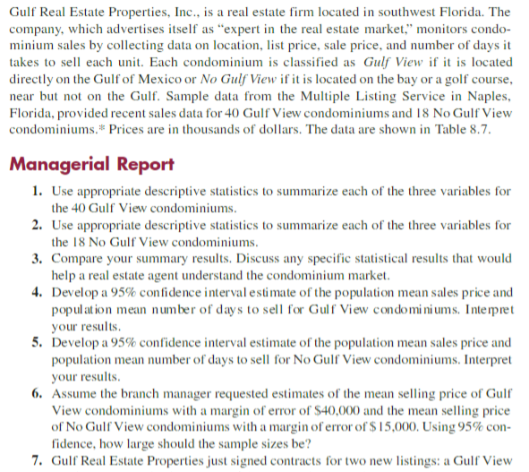
Kerry-Ann Bartley
Case Study 4
Gulf View Condominiums |  |  | No Gulf View Condominiums
List Price | Sale Price | Days to Sell | List Price | Sale Price | Days to Sell
495.0 | 475.0 | 130 | 217.0 | 217.0 | 182
379.0 | 350.0 | 71 | 148.0 | 135.5 | 338
529.0 | 519.0 | 85 | 186.5 | 179.0 | 122
552.5 | 534.5 | 95 | 239.0 | 230.0 | 150
334.9 | 334.9 | 119 | 279.0 | 267.5 | 169
550.0 | 505.0 | 92 | 215.0 | 214.0 | 58
169.9 | 165.0 | 197 | 279.0 | 259.0 | 110
210.0 | 210.0 | 56 | 179.9 | 176.5 | 130
975.0 | 945.0 | 73 | 149.9 | 144.9 | 149
314.0 | 314.0 | 126 | 235.0 | 230.0 | 114
315.0 | 305.0 | 88 | 199.8 | 192.0 | 120
885.0 | 800.0 | 282 | 210.0 | 195.0 | 61
975.0 | 975.0 | 100 | 226.0 | 212.0 | 146
469.0 | 445.0 | 56 | 149.9 | 146.5 | 137
329.0 | 305.0 | 49 | 160.0 | 160.0 | 281
365.0 | 330.0 | 48 | 322.0 | 292.5 | 63
332.0 | 312.0 | 88 | 187.5 | 179.0 | 48
520.0 | 495.0 | 161 | 247.0 | 227.0 | 52
425.0 | 405.0 | 149
675.0 | 669.0 | 142
409.0 | 400.0 | 28
649.0 | 649.0 | 29
319.0 | 305.0 | 140
425.0 | 410.0 | 85
359.0 | 340.0 | 107
469.0 | 449.0 | 72
895.0 | 875.0 | 129
439.0 | 430.0 | 160
435.0 | 400.0 | 206
235.0 | 227.0 | 91
638.0 | 618.0 | 100
629.0 | 600.0 | 97
329.0 | 309.0 | 114
595.0 | 555.0 | 45
339.0 | 315.0 | 150
215.0 | 200.0 | 48
395.0 | 375.0 | 135
449.0 | 425.0 | 53
499.0 | 465.0 | 86
439.0 | 428.5 | 158

